Hiearchy View
CLASS: ROLLER GUIDE
operating separately or as part of a guide assembly, designed to provide continuous engagement between the platform and the building guides or guideways |  | 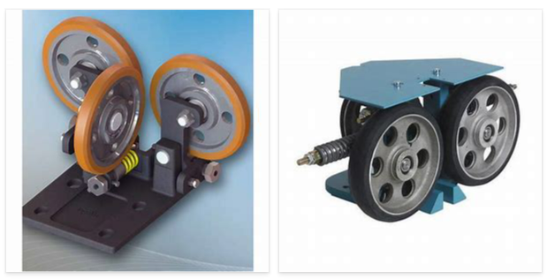
REMOVE | N

PROBLEM_DESC | CAUSE_DESC | REMEDY_DESC
BROKEN/DAMAGED
NOISE
OTHER PROBLEM
OVERHEATING
SMELL
STOPPED/SLOWED/POOR OPS
VIBRATION
Grand Total

